step 6 (final step)
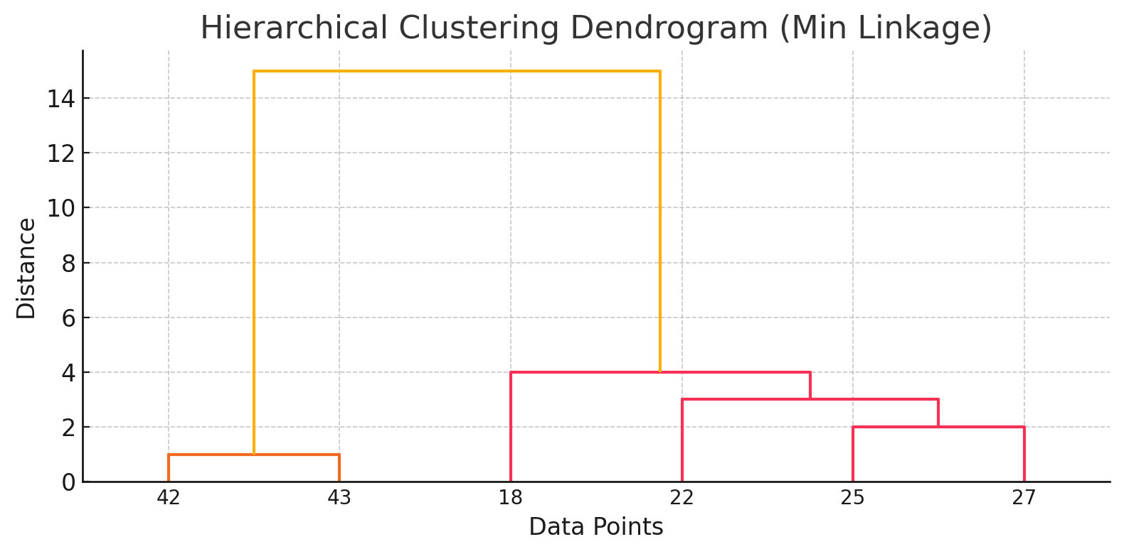
Distance Matrix
points: | 18,22,25,27,42,43
18,22,25,27,42,43 | 0

